
 |  |  |  | CODE: |  |  | pl1217 ac SN from 00F500
DESCRIPTION: |  | TANK:ACCESSORIES |  | TANK:ZUBEHÖR | RESERVOIR:ACCESSOIRE | TANQUE:ACCESORIO | SERBATOIO:ACCESSORI
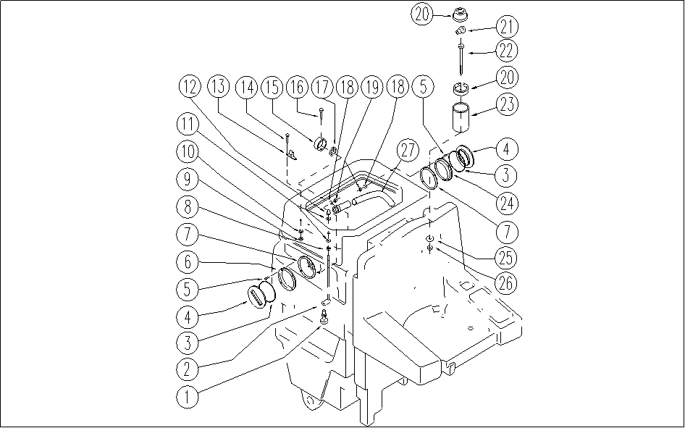

REF. | CODE | DESCRIPTION | QT
1 | E86835 | Floating Switch | 1
2 | SL09881 | ROD | 1
3 | E86393 | gasket | 2
4 | E86394 | cap | 2
5 | SL04380 | SCREW | 8
6 | E86395 | nut | 1
7 | E86396 | gasket | 2
8 | E86749 | Nut M5 UNI 5588 | 1
9 | E86552 | nut | 4
10 | E86707 | Cham Washer D10 | 4
11 | E86448 | AS20 Washer | 2
12 | SL05057 | NUT | 1
13 | SL09880 | BRACKET | 2
14 | E86871 | Screw | 4
15 | SL07449 | SUPPORT | 1
16 | SL04094 | SCREW | 1
17 | SL18252 | FILTER | 1
18 | E89118 | Washer | 8
19 | E89248 | Nut | 8
20 | SL23464 | FLASH-LIGHT | 1
21 | E86919 | AS30/36 Bulb | 1
22 | E86794 | Screw | 1
23 | SL07517 | SPACER | 1
24 | SL14325 | NUT | 1
25 | E86719 | AS20 Washer | 1
26 | E86875 | Self-Locking Nut | 1
27 | E86419 | Streaked Hose | 1

